1A
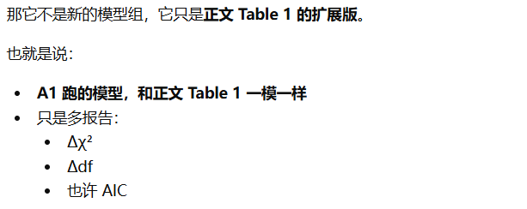
Table A1. Expanded Multilevel Confirmatory Factor Analyses for the Core Constructs
Model | Within-level factor structure | Between-level factor structure | χ² | df | CFI | TLI | RMSEA | SRMRwithin | SRMRbetween | AIC | Δχ² | Δdf
Hypothesized model | BE, ME, and THR as three separate factors | AL and EL as two separate factors
Alternative model 1 | BE and ME combined; THR separate | AL and EL separate
Alternative model 2 | BE, ME, and THR separate | AL and EL combined
Alternative model 3 | BE and ME combined; THR separate | AL and EL combined
Alternative model 4 | BE, ME, and THR combined | AL and EL separate

